Diagrams
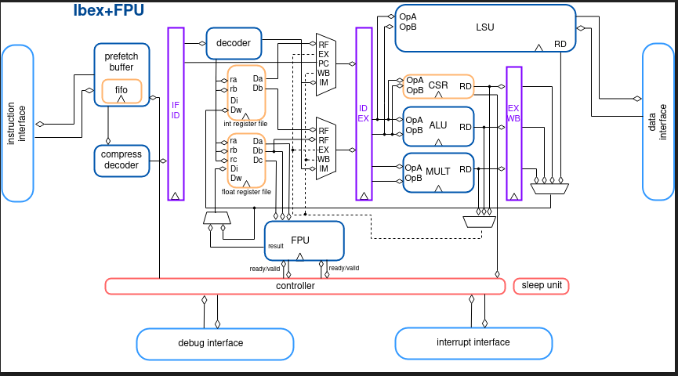
Instruction type | inctruction hex | instruction/cycles | cycle 1 | cycle 2 | cycle 3 | cycle 4 | cycle 5 | cycle 6 | cycle 7 | cycle 8 | cycle 9 | cycle 10 | cycle 11 | cycle 12 | cycle 13 | cycle 14 | cycle 15 | cycle 16 | cycle 17 | cycle 18
Reg Imm OPs | 1f400293 | addi x5, x0, 500 | fetch | decode/execute | write back/reg
Reg Imm OPs | 0c800313 | addi x6, x0, 200 |  | fetch | decode/execute | write back/reg
Data Dep (Reg Ops) | 005283b3 | add x7, x5, x5 |  |  | fetch | decode/execute | write back/reg
Struc Dep (frwd happens) | 406383b3 | sub x7, x7, x6 |  |  |  | fetch | decode/execute | write back/reg
Cond Dep | fe7408e3 | beq x8, x7, start |  |  |  |  | fetch | decode/execute | decode/execute
Reg Imm OPs | 00500593 | li x11, 5 |  |  |  |  |  | fetch | decode/execute | write back/reg
Reg Imm OPs | 00020537 | lui x10, 0x20 |  |  |  |  |  |  | fetch | decode/execute | write back/reg
Dependent store | 00752223 | sw x7, 0x4 (x10) |  |  |  |  |  |  |  | fetch | decode/execute | write MEM
 | 02b383b3 | mul x7, x7, x11 |  |  |  |  |  |  |  |  | fetch | decode/execute | decode/execute | decode/execute | decode/execute | write back/reg
 | 00752423 | sw x7, 0x8 (x10) |  |  |  |  |  |  |  |  |  | fetch | fetch | fetch | fetch | decode/execute | write back/reg
 | 0203c3b3 | div x7, x7, x0 |  |  |  |  |  |  |  |  |  |  | fetch | fetch | fetch | fetch | decode/execute | decode/execute | write back/reg
 | 00852383 | lw x7, 0x8(x10) |  |  |  |  |  |  |  |  |  |  |  | fetch | fetch | fetch | fetch | fetch | decode/execute | write back/reg

Template 2
Clock Cycles | IP/Instr Addr | Instructions | Fetch | Dec/Exc/Mem | Write back | Comments
CC1 | 0 | addi x5, x0, 500 | addi x5, x0, 500
CC2 | 4 | addi x6, x0, 200 | addi x6, x0, 200 | addi x5, x0, 500
CC3 | 8 | add x7, x5, x5 | add x7, x5, x5 | addi x6, x0, 200 | addi x5, x0, 500 | Forwarding |  | Instructions Per Cycle | 0.5714285714
CC4 | 12 | sub x7, x7, x6 | sub x7, x7, x6 | add x7, x5, x5 | addi x6, x0, 200
CC5 | 16 | beq x8, x7, start | beq x8, x7, start | sub x7, x7, x6 | add x7, x5, x5
CC6 | 20 | li x11, 5 | li x11, 5 | beq x8, x7, start | sub x7, x7, x6 | Branch Taken
CC7 | 24 | lui x10, 0x20 | lui x10, 0x20 | beq x8, x7, start
CC8 | 0 |  | addi x5, x0, 500 | li x11, 5
CC9 |  |  |  |  | li x11, 5
CC10
CC11
CC12
CC13
CC14
CC15
CC16
CC17
CC18
CC19
CC20

Coverage_regression
Aggregated Coverage Results of Regression Testing on different seeds
Google DV- UVM- Random tests : Coverage (RV32IMC)
Aggregated Coverage results of Regression 1 |  |  | AZADI CORE
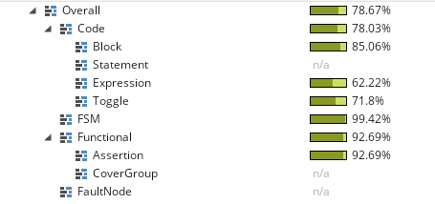
Seed | 10169 | 78.67
Status | 34 Passed | 78.03
 | 9 Failed | 85.06

 |  | 62.22
 |  | 71.8
 |  | 99.42
 |  | 92.69
 |  | 92.69

Aggregated Coverage results of Regression 2
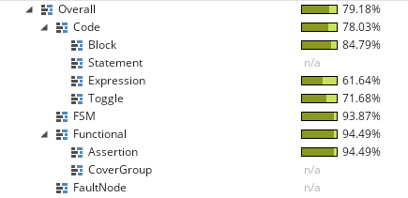
Seed | 25470 | 79.18
Status | 32 Passed | 78.03 | Resultant Coverages of all the regression run
 | 11 Failed | 84.79
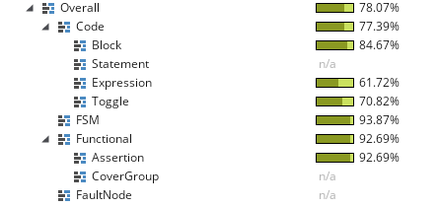
 |  |  |  | 78.735
 |  | 61.64 |  | 77.8275
 |  | 71.68 |  | 84.83
 |  | 93.87
 |  | 94.49 |  | 61.805
 |  | 94.49 |  | 71.405
 |  |  |  | 95.0075
 |  |  |  | 93.59
 |  |  |  | 93.59
Aggregated Coverage results of Regression 3

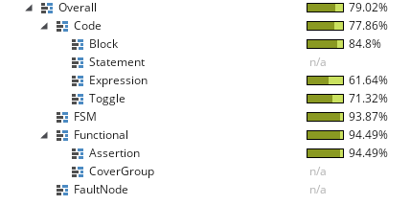
Seed | 31686 | 79.02
Status | 33 Passed | 77.86
 | 10 Failed | 84.8

 |  | 61.64
 |  | 71.32
 |  | 93.87
 |  | 94.49
 |  | 94.49

Aggregated Coverage results of Regression 4

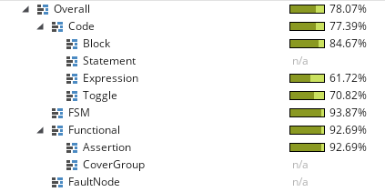
Seed | 3487 | 78.07
Status | 36 Passed | 77.39
 | 7 Failed | 84.67

 |  | 61.72
 |  | 70.82
 |  | 92.87
 |  | 92.69
 |  | 92.69

